Operations_Manager_i
Operations Manager i Questionnaire
Instructions: Please have this questionnaire completed by a Operations Manager Administrator, with access to the managing Server. Use a separate tab for each Managing Server that you may have in your environment.

Managing Server Information - OMi
A. Gateway Server Name | omiprodgw.central.btk.bg
B. Processing Server Name | omiproddps.central.btk.bg
C. Software Version Installed | OPERATIONS MANAGER I Version 10.61 (Build 014.003)
D. Type of environment (Production / Non-Production) | Production
E. Are there any High Availability Servers for OMi? | High Availability all Servers for OMi
F. Is OMi collecting node information from other third party Non-HP Software? If yes, please list these software. | Non

Installation Information
Please share the following screenshot to let us know about the modules configured in Omi. Please get to this page via the following steps on the OMi console: Administration > Setup and Maintenance > License Management (different screenshot depending on the version in use)

***SAMPLE DATA*** |  | Insert Text Screenshot Below
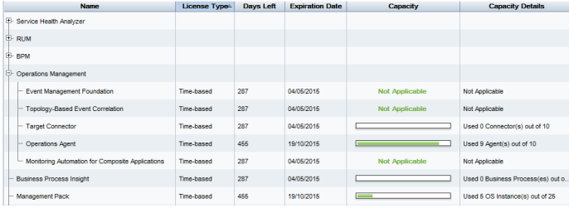 |  | This version is not used.

 |  | 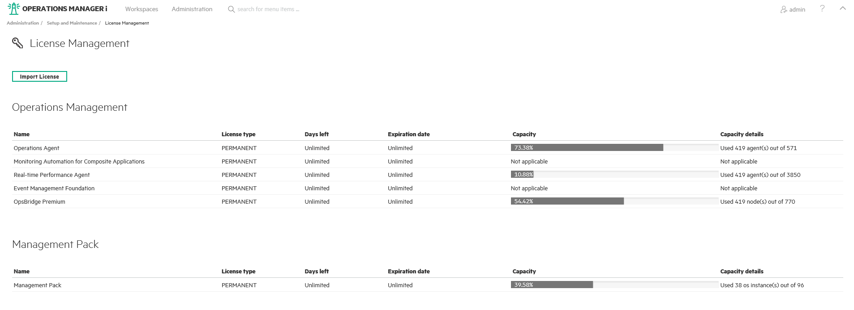

Operations_Bridge #1
Operations Bridge Questionnaire
Instructions: Please have this questionnaire completed by a Operations Manager/Ops Bridge Administrator, with access to the managing Server. Use a separate tab for each Managing Server that you may have in your environment.

Managing Server Information - Ops Bridge
A. Gateway Server Name | omiprodgw.central.btk.bg
B. Processing Server Name | omiproddps.central.btk.bg
C. Software Version/Type Installed | OPERATIONS MANAGER I Version 10.61 (Build 014.003)
D. Type of environment (Production / Non-Production) | Production
E. Are there any High Availability Servers? | High Availability all Servers for Omi
F. Is Ops Bridge collecting node information from other third party Non-HP Software? If yes, please list these software. | Non

Installation Information
Please share the following screenshot to let us know about the licenses configured in OMi, OBR and BVD. Please get to this page via the following steps on the OMi console: Administration > Setup and Maintenance > License Management (different screenshot depending on the version in use)

OMi
***SAMPLE DATA*** |  |  | Insert Text Screenshot Below
Old licensing schema – before edition-based licensing - Target Connector licenses + Operations Agent (Syscollector)

Once an edition-based license is uploaded (Express/Premium/Ultimate) – Target Connectors will no longer be shown.

Please share the screesnshot of command output by using opr-mp-installer command-line interface (CLI) to list the installed out-of-the-box management packs while Operations Bridge Manager is enabled. opr-mp-installer ‑list_enabled |  |  | Insert text below
***SAMPLE DATA***

Business Value Dashboard
Please connect to the BVD console with Admin Password, go to the About section on the right and collect the screenshot
 |  | Insert text below
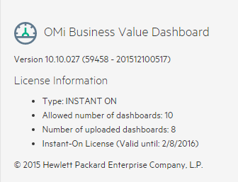 ***SAMPLE DATA*** |  | This product is not installed.

Operations Bridge
Please connect to the OBR console and collect the screenshot showing information about licenses |  | This product is not installed.

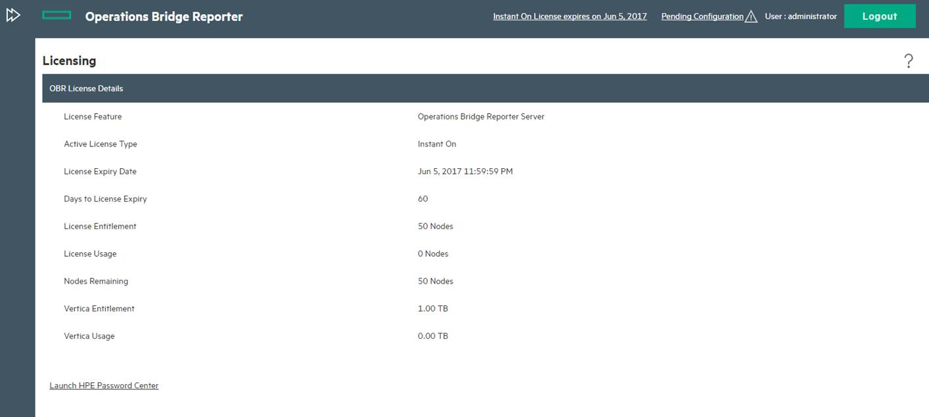

 |  |  | This product is not installed.

Operations Bridge Ultimate Edition
In case you deployed OpsBridge Ultimate, please also collect screenshots and information regarding License installed and in use for UD/ASM (UCMDB), OO and Cloud Optimizer

Add ons Product
Please collect screenshot also for all the add-on components in use (NNMi, ecc)

